Gift Trees
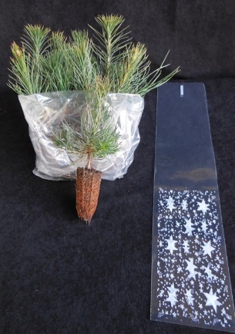
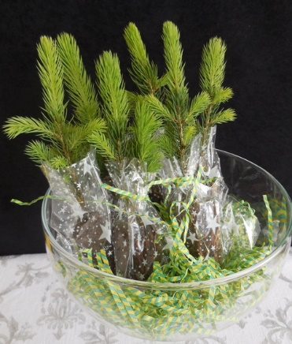
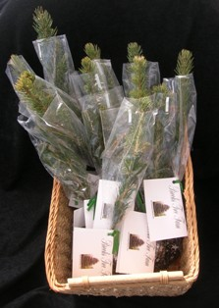
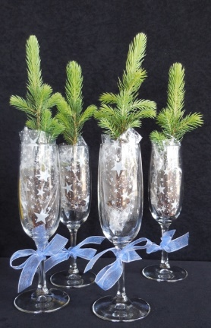
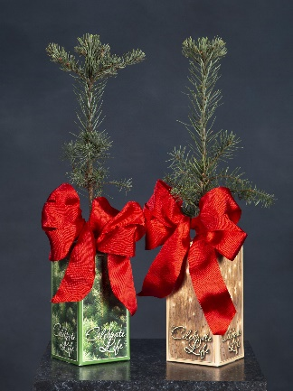

DIY Option | A variety of ideas for DIY presentation | Custom Bag & Card | Potted, gift box

 |  | 25 to 100 | 100-500
Plugs and Star Bags DIY Option |  | Priced each | Priced each
Gifts are available in this retail option and not subject to the usual 100 minimum. The most affordable option is the DIY plug. Shipped separate from the bags, the customer assembles and finishes the gift with any card or ribbon. The bags can be trimmed shorter and/or covered to customize the look. Subject to available species. These trees are offered with bags included as root balls need protected. Bags are available separately to co-ordinate additional treats such as candy, popcorn, coffee beans or even dog cookies! |  | $2.25 | $1.50

 |  | Bags only | Bags only
 |  | $25/100 | $200/1000

Customized and Ready to Hand Out Option in Star Bags |  | Priced each | Priced Each
Affordable, small packaged trees to celebrate special events. Earth Day, weddings, memorials, trade shows, fun runs and family reunions are just a few of the events that have used these popular and affordable gifts. Available in small event or wholesale quantities and shipped ready to hand out. The four color card is cusomized for the event with text and graphics on one side and planting instructions on the other. Please allow 2-3 weeks lead time for any custom printing. |  | $3.75 | $3.25

Potted Trees in Gift Boxes |  | Priced each | Priced Each
Available in green or gold boxes, the pots are 2 7/8" square x 5 1/2" tall and preprinted with planting instructions and shipping permits for out of state transport. Top choices are Noble Fir, Incense Cedar, Western Red Cedar, Giant Sequoia. Native Twinberry. Plants are approx 12" tall, subject to availability. Pick up at the nursery or UPS is available for all options. Add Ribbon $1, available in Red, Silver or White |  | $4.25 | $3.75

Discounts are available for orders over 500, inquire

